4DClust4D
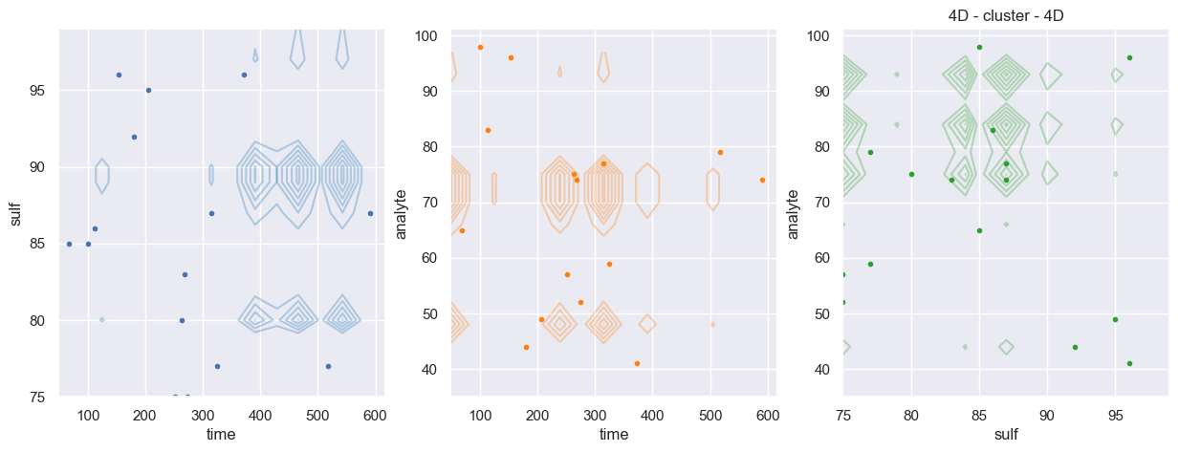
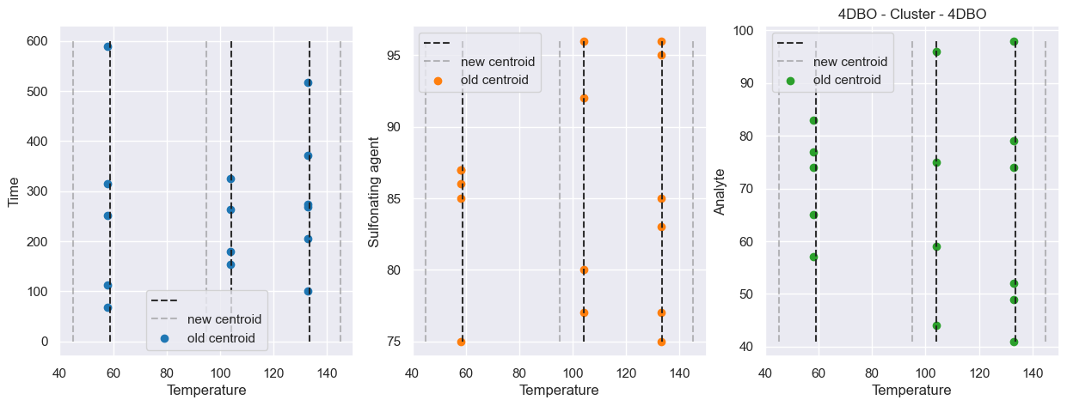
ID | time | temp | sulf | anly
10 | 68 | 58 | 85 | 65
5 | 101 | 133 | 85 | 98
6 | 113 | 58 | 86 | 83
12 | 154 | 103 | 96 | 96
3 | 180 | 103 | 92 | 44
9 | 206 | 133 | 95 | 49
8 | 252 | 58 | 75 | 57
1 | 263 | 103 | 80 | 75
2 | 268 | 133 | 83 | 74
14 | 274 | 133 | 75 | 52
0 | 315 | 58 | 87 | 77
11 | 325 | 103 | 77 | 59
13 | 372 | 133 | 96 | 41
4 | 517 | 133 | 77 | 79
7 | 590 | 58 | 87 | 74

